已恢复_工作表1
正误情况表
序号 | Ra | P(n) | K(n) | Definition |  | Others |  | 整体准确率 | Definition 准确率
1 | 1 | P1 | K1 | 6 | 9 | 5 | 10 | 36.67% | 40.0%
2 | 1 | P1 | K1+K2 | 7 | 8 | 5 | 10 | 40.0% | 46.67%
3 | 1 | P1 | K1+K2+K3 | 8 | 7 | 5 | 10 | 43.33% | 53.33%
4 | 1 | P1 | K1+K2+K3+K4 | 8 | 7 | 5 | 10 | 43.33% | 53.33%
5 | 1 | P1 | K1+K2+K3+K4+K5 | 9 | 6 | 5 | 10 | 46.67% | 60.0%
6 | 1 | P1 | K1+K2+K3+K4+K5+K6 | 9 | 6 | 6 | 9 | 50.0% | 60.0%
7 | 2 | P1+P2 | K1 | 7 | 8 | 5 | 10 | 40.0% | 46.67%
8 | 2 | P1+P2 | K1+K2 | 7 | 8 | 5 | 10 | 40.0% | 46.67%
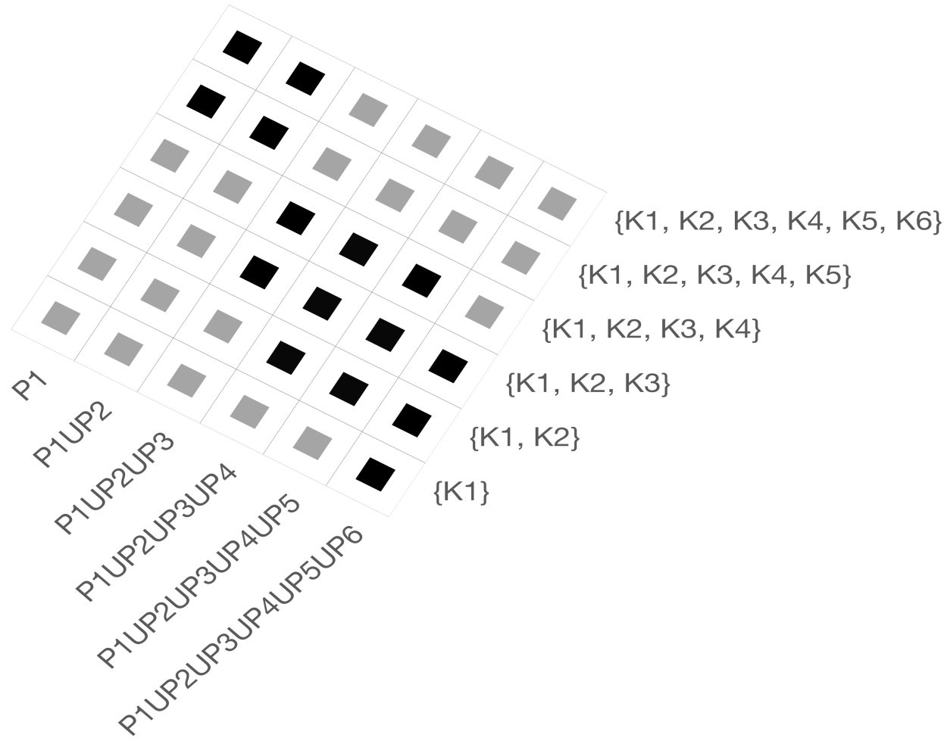
9 | 2 | P1+P2 | K1+K2+K3 | 8 | 7 | 5 | 10 | 43.33% | 53.33% |  | P1 | P1UP2 | P1UP2UP3 | P1U...UP4 | P1U...UP5 | P1U...UP6
10 | 2 | P1+P2 | K1+K2+K3+K4 | 8 | 7 | 5 | 10 | 43.33% | 53.33% | {K1} | 40.0% | 46.67% | 53.33% | 53.33% | 53.33% | 53.33% |  |  | P1 | P1UP2 | P1UP2UP3 | P1U...UP4 | P1U...UP5 | P1U...UP6 | P1 | P1UP2 | P1UP2UP3 | P1U...UP4 | P1U...UP5 | P1U...UP6
11 | 2 | P1+P2 | K1+K2+K3+K4+K5 | 9 | 6 | 5 | 10 | 46.67% | 60.0% | {K1, K2} | 46.67% | 46.67% | 60.0% | 60.0% | 60.0% | 66.67% | 0 | {K1} | 0.0% | 0.0% | 0.0% | 0.0% | 0.0% | 50.00% | 0.0% | 0.0% | 0.0% | 0.0% | 50.00% | 50.00%
12 | 2 | P1+P2 | K1+K2+K3+K4+K5+K6 | 10 | 5 | 5 | 10 | 50.0% | 66.67% | {K1...K3} | 53.33% | 53.33% | 60.0% | 60.0% | 60.0% | 66.67% |  | {K1, K2} | 0.0% | 0.0% | 0.0% | 50.00% | 50.00% | 50.00% | 0.0% | 0.0% | 50.00% | 50.00% | 50.00% | 50.00%
13 | 3 | P1+P2+P3 | K1 | 8 | 7 | 5 | 10 | 43.33% | 53.33% | {K1…K4} | 53.33% | 53.33% | 66.67% | 66.67% | 66.67% | 73.33% |  | {K1...K3} | 0.0% | 0.0% | 50.00% | 50.00% | 50.00% | 50.00% | 0.0% | 0.0% | 50.00% | 50.00% | 50.00% | 0.0%
14 | 3 | P1+P2+P3 | K1+K2 | 9 | 6 | 5 | 10 | 46.67% | 60.0% | {K1,...K5} | 60.0% | 60.0% | 73.33% | 73.33% | 73.33% | 73.33% |  | {K1…K4} | 0.0% | 0.0% | 50.00% | 50.00% | 50.00% | 0.0% | 0.0% | 0.0% | 50.00% | 50.00% | 0.0% | 0.0%
15 | 3 | P1+P2+P3 | K1+K2+K3 | 9 | 6 | 6 | 9 | 50.0% | 60.0% | {K1...K6} | 60.0% | 66.67% | 73.33% | 73.33% | 80.0% | 80.0% |  | {K1,...K5} | 50.00% | 50.00% | 0.0% | 0.0% | 0.0% | 0.0% | 50.00% | 50.00% | 0.0% | 0.0% | 0.0% | 0.0%
16 | 3 | P1+P2+P3 | K1+K2+K3+K4 | 10 | 5 | 6 | 9 | 53.33% | 66.67% |  |  |  |  |  |  |  |  | {K1...K6} | 50.00% | 50.00% | 0.0% | 0.0% | 0.0% | 0.0% | 50.00% | 50.00% | 0.0% | 0.0% | 0.0% | 0.0%
17 | 3 | P1+P2+P3 | K1+K2+K3+K4+K5 | 11 | 4 | 6 | 9 | 56.67% | 73.33%
18 | 3 | P1+P2+P3 | K1+K2+K3+K4+K5+K6 | 11 | 4 | 6 | 9 | 56.67% | 73.33% |  |  |  |  |  |  |  |  |  |  |  |  |  |  |  |  |  |  |  |  |  | (a) Precisions around 50%-60% on ODQuestionSet1
19 | 4 | P1+P2+P3+P4 | K1 | 8 | 7 | 5 | 10 | 43.33% | 53.33% |  | P1 | P1UP2 | P1UP2UP3 | P1U...UP4 | P1U...UP5 | P1U...UP6
20 | 4 | P1+P2+P3+P4 | K1+K2 | 9 | 6 | 6 | 9 | 50.0% | 60.0% | {K1} | 36.67% | 40.0% | 43.33% | 43.33% | 46.67% | 46.67%
21 | 4 | P1+P2+P3+P4 | K1+K2+K3 | 9 | 6 | 6 | 9 | 50.0% | 60.0% | {K1, K2} | 40.0% | 40.0% | 46.67% | 50.0% | 50.0% | 53.33%
22 | 4 | P1+P2+P3+P4 | K1+K2+K3+K4 | 10 | 5 | 6 | 9 | 53.33% | 66.67% | {K1...K3} | 43.33% | 43.33% | 50.0% | 50.0% | 53.33% | 56.67%
23 | 4 | P1+P2+P3+P4 | K1+K2+K3+K4+K5 | 11 | 4 | 6 | 9 | 56.67% | 73.33% | {K1…K4} | 43.33% | 43.33% | 53.33% | 53.33% | 56.67% | 60.0%
24 | 4 | P1+P2+P3+P4 | K1+K2+K3+K4+K5+K6 | 11 | 4 | 7 | 8 | 60.0% | 73.33% | {K1,...K5} | 46.67% | 46.67% | 56.67% | 56.67% | 60.0% | 63.33%
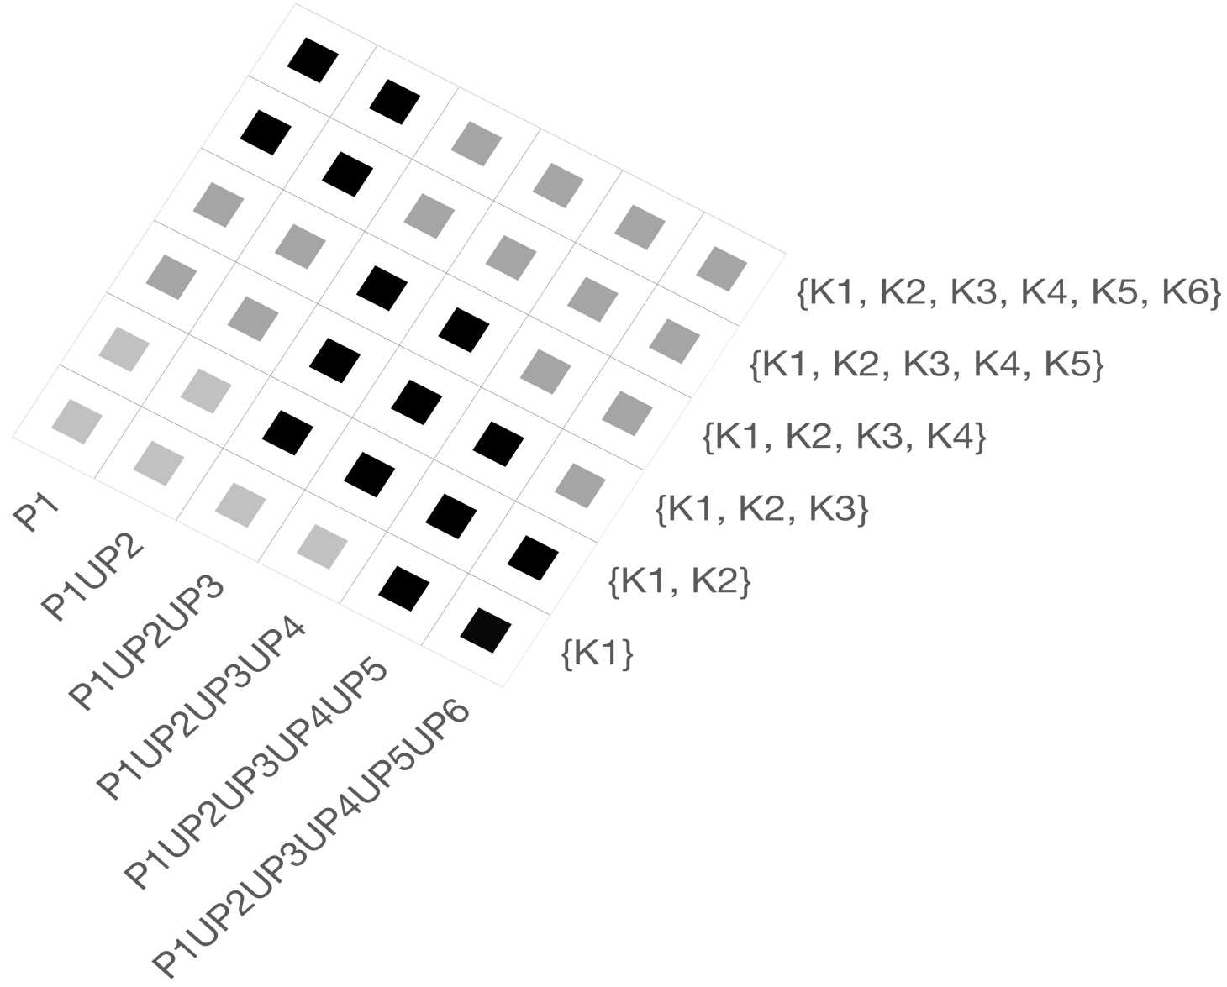
25 | 5 | P1+P2+P3+P4+P5 | K1 | 8 | 7 | 6 | 9 | 46.67% | 53.33% | {K1...K6} | 50.0% | 50.0% | 56.67% | 60.0% | 63.33% | 66.66%
26 | 5 | P1+P2+P3+P4+P5 | K1+K2 | 9 | 6 | 6 | 9 | 50.0% | 60.0%
27 | 5 | P1+P2+P3+P4+P5 | K1+K2+K3 | 9 | 6 | 7 | 8 | 53.33% | 60.0%
28 | 5 | P1+P2+P3+P4+P5 | K1+K2+K3+K4 | 10 | 5 | 7 | 8 | 56.67% | 66.67%
29 | 5 | P1+P2+P3+P4+P5 | K1+K2+K3+K4+K5 | 11 | 4 | 7 | 8 | 60.0% | 73.33%
 | {K1} | {K1, K2} | {K1...K3} | {K1…K4} | {K1,...K5} | {K1...K6}
P1 | 0.0% | 0.0% | 0.0% | 0.0% | 50.00% | 50.00%
P1UP2 | 0.0% | 0.0% | 0.0% | 0.0% | 50.00% | 50.00%
P1UP2UP3 | 0.0% | 0.0% | 50.0% | 50.0% | 0.00% | 0.00%
P1U...UP4 | 0.0% | 50.0% | 50.0% | 50.0% | 0.00% | 0.00%
P1U...UP5 | 0.0% | 50.0% | 50.0% | 50.0% | 0.00% | 0.00%
P1U...UP6 | 50.0% | 50.0% | 50.0% | 0.0% | 0.00% | 0.00%
P1 | 0.0% | 0.0% | 0.0% | 0.0% | 50.00% | 50.00%
P1UP2 | 0.0% | 0.0% | 0.0% | 0.0% | 50.00% | 50.00%
P1UP2UP3 | 0.0% | 50.0% | 50.0% | 50.0% | 0.00% | 0.00%
P1U...UP4 | 0.0% | 50.0% | 50.0% | 50.0% | 0.00% | 0.00%
P1U...UP5 | 50.0% | 50.0% | 50.0% | 0.0% | 0.00% | 0.00%
P1U...UP6 | 50.0% | 50.0% | 0.0% | 0.0% | 0.00% | 0.00%
30 | 5 | P1+P2+P3+P4+P5 | K1+K2+K3+K4+K5+K6 | 12 | 3 | 7 | 8 | 63.33% | 80.0%
31 | 6 | P1+P2+P3+P4+P5+P6 | K1 | 8 | 7 | 6 | 9 | 46.67% | 53.33%
32 | 6 | P1+P2+P3+P4+P5+P6 | K1+K2 | 10 | 5 | 6 | 9 | 53.33% | 66.67%
33 | 6 | P1+P2+P3+P4+P5+P6 | K1+K2+K3 | 10 | 5 | 7 | 8 | 56.67% | 66.67% |  |  |  |  |  |  |  |  |  |  |  |  |  |  |  |  |  |  |  |  |  | (b) Precisions around 50%-60% on QuestionSet1
34 | 6 | P1+P2+P3+P4+P5+P6 | K1+K2+K3+K4 | 11 | 4 | 7 | 8 | 60.0% | 73.33%
35 | 6 | P1+P2+P3+P4+P5+P6 | K1+K2+K3+K4+K5 | 11 | 4 | 8 | 7 | 63.33% | 73.33%
36 | 6 | P1+P2+P3+P4+P5+P6 | K1+K2+K3+K4+K5+K6 | 12 | 3 | 8 | 7 | 66.66% | 80.0%

